Foglio1
Cluster | Label Cluster | Tools
0 | Idea Generation | Mind map; Issue tree; Decision-making; Tree structure; Nominal group technique; Affinity diagram; Brainstorming; Delphi method; Topic map; 6-3-5 Brainwriting; Design thinking; Group concept mapping; TRIZ; Influence diagram; Decision analysis; Decision tree; Business decision mapping; Morphological analysis (problem-solving); Cross impact analysis; Heuristic; Thinking outside the box; 40 inventive principles; 40 principles of invention; Spider diagram; New product development; Phase-gate process; Issue map; Axiomatic design; Creative problem solving; Top-down and bottom-up design; Analytic hierarchy process; Product life-cycle; Financial statement analysis; Project portfolio management; Representativeness heuristic;
1 | Strategic and Competitive Intelligence | SWOT analysis; Ansoff Matrix; Balanced scorecard; Business model; Competitor analysis; PEST analysis; Performance effects; Porter's five forces analysis; Porter's generic strategies; Scenario planning; Six forces model; Strategic thinking; Mission statement; Vision statement; Business Model Canvas; Resource-based view; Strategy map; Business plan; Business Motivation Model; Economic value added; Four causes; Level of analysis; Business architecture; Business reference model; Key risk indicator; Performance indicator; Critical success factor; Gap analysis; VPEC-T; Diversification (marketing_strategy); Activity based costing; Context analysis; Component business model;
2 | Marketing Analysis | Benchmarking; Focus group; Marketing research; Positioning (marketing); Market segmentation; Perceptual mapping; Promotion (marketing); Target market; Market analysis; Marketing mix; Target audience; Product management; Product strategy; Questionnaire construction; AIDA (marketing); Product life-cycle management (marketing); Value proposition; Diffusion of innovations; Segmenting-targeting-positioning; Industrial market segmentation; Experience curve effect; Customer lifecycle management; Market share analysis; Project management triangle; RFM (customer value); Feasibility study; Learning curve; Technology life cycle; Conjoint analysis (in marketing); TURF Analysis; Marketing mix modeling; Product planning; Market structure; Skills management; Market requirements document;
3 | Project Management | Stakeholder analysis; Stakeholder management; Work breakdown structure; Product breakdown structure; Gantt chart; Critical path method; Program evaluation and review technique; Precedence Diagram Method; Graphical Evaluation and Review Technique; Product based planning; Product flow diagram; Responsibility assignment matrix; Value breakdown structure; Project plan; Design structure matrix;
4 | Requirements Analysis and Process Structuring | Quality function deployment; Flowchart; Activity diagram; Data flow diagram; Flow diagram; Flow process chart; Requirements engineering; Reliability block diagram; Block diagram; Requirements analysis; Functional requirement; Requirements management; Use case diagram; Interview (research); Data structure diagram; Functional flow block diagram; System context diagram; Control flow diagram; Functional block diagram; Structured interviewing; Customer satisfaction; Service quality; Event-driven process chain; Workflow patterns; BPMN; MoSCoW method; Kano model; Interview; Structured analysis; Traceability matrix; Test plan; Scope creep;
5 | Data Analysis and Statistical Analysis | Control chart; Histogram; Cluster analysis; Quality control; Questionnaire; Statistical classification; Time series; Trend estimation; Monte Carlo method; Monte Carlo methods for option pricing; Conceptual clustering; Categorization; Classification; Taguchi methods; Spider chart; Multiple comparison; Task analysis; Job analysis; Quality audit; Quality costs; Trend analysis; Google Trends; Context model; Google Analytics; Position analysis questionnaire; Business analytics; Knowledge organization; Precision and recall; Affinity analysis;
6 | Quality Management | Five whys; 5S (methodology); Eight disciplines problem solving; Five Ws; Ishikawa diagram; Kanban; PDCA; Production leveling; Root cause analysis; Single-minute exchange of die; 5M model; Check sheet; Kaizen; Pareto chart; Seven Basic Tools of Quality; Checklist; DMAIC; Failure mode and effects analysis; Pareto analysis; Pareto principle; Six Sigma; Failure analysis; Failure mode, effects, and criticality analysis; Failure modes, effects, and diagnostic analysis; Fault tree analysis; Hazard analysis; Structured What If Technique; Event tree; Event tree analysis; Process hazard analysis; Problem solving; Problem statement; Toyota Production System; Value-stream mapping; Lean Six Sigma; Risk matrix; Risk assessment; Risk management plan;
7 | Production Management | Manufacturing resource planning; Material requirements planning; Scheduling (production processes); Economic production quantity; Economic order quantity; Production planning; Master production schedule; What-if analysis; Demand Flow Technology;
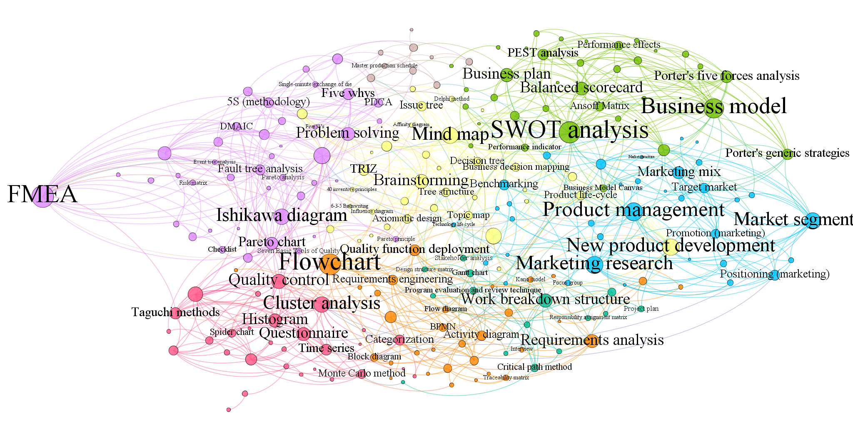

7
1

6
2
0

3
4

5

